5814
Lady's padding jacket |  |  |  |  |  | STYLE NO.：5814#
QTY：4461PCS |  |  |  | 30PCS/CTN
SHELL&LINING: 100% POLYESTER 100% PADDED FILL: 100% POLYESTER
SIZE | S | M | L |  |  | TOTAL
ATROVIRENS | 839 | 658 | 4 |  | 170ctns | 1501
BLACK | 1434 | 1190 | 336 |  |  | 2960
 |  |  |  |  |  | 4461
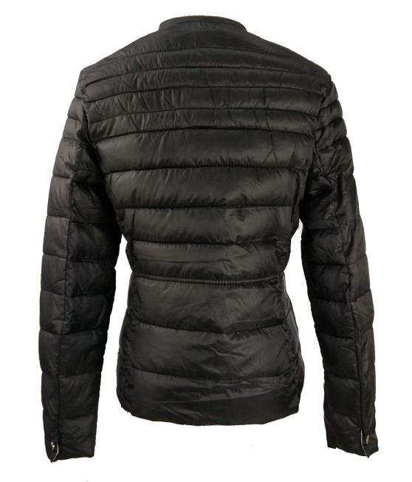 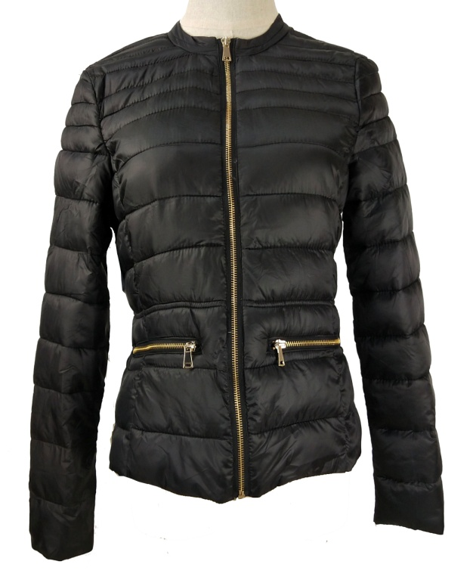 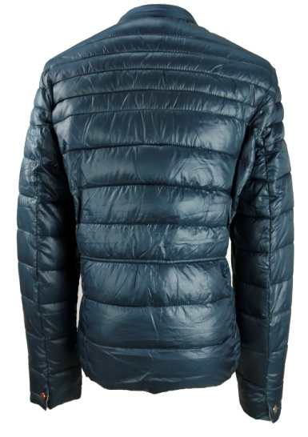 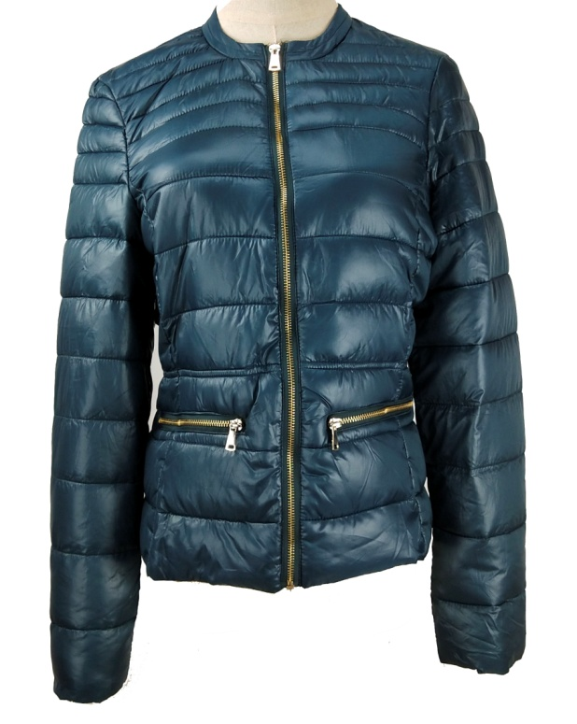

SIZE SPEC
UNIT: CM | S | M | L
center back length后中长 | 57 | 59 | 61
chest 胸围 1/2 | 45 | 47 | 49
bottom摆围1/2 | 47 | 49 | 51
shoulder 肩宽 | 38 | 39 | 40
sleeve 袖长 | 60 | 61 | 62
cuff 袖口1/2 | 10 | 11.5 | 13

